How to calculate
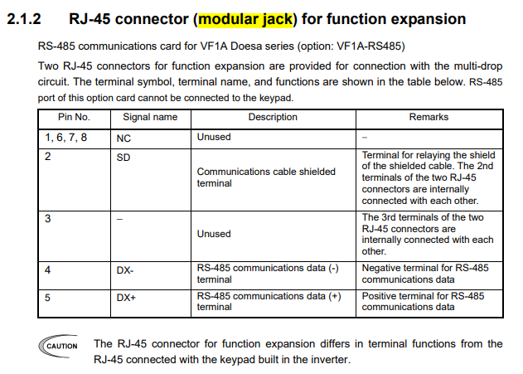
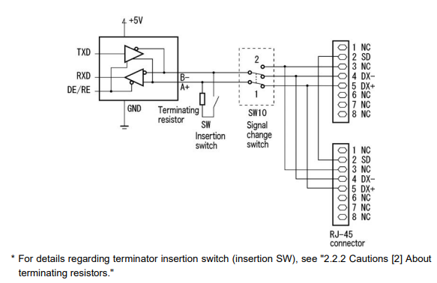
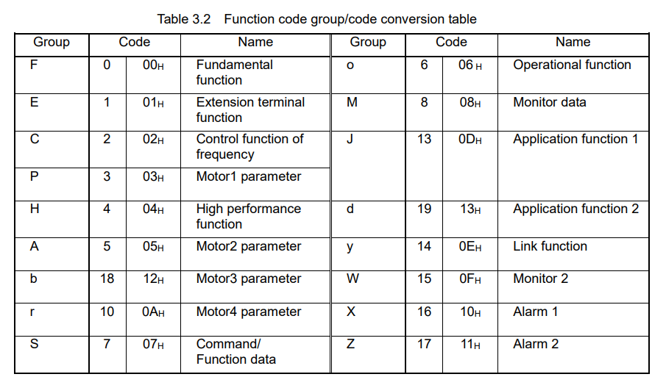

 | How to calculate the Address ?

 | Example: | When you use J60

 |  | J | 60
 |  | ↓ | ↓
 |  | 13 | 60
 | The holding register address is:
 | 400001 | + | 13 | x | 256 | + | 60 | = | 403389

Since FC6A's holding registers start from 400001, the Modbus table below are calculated based on FC6A (400001).
Depending on the specification of the host controller, the start address of the holding register area may be 400000. In that cases, please replace 400001 in the above formula with 400000.

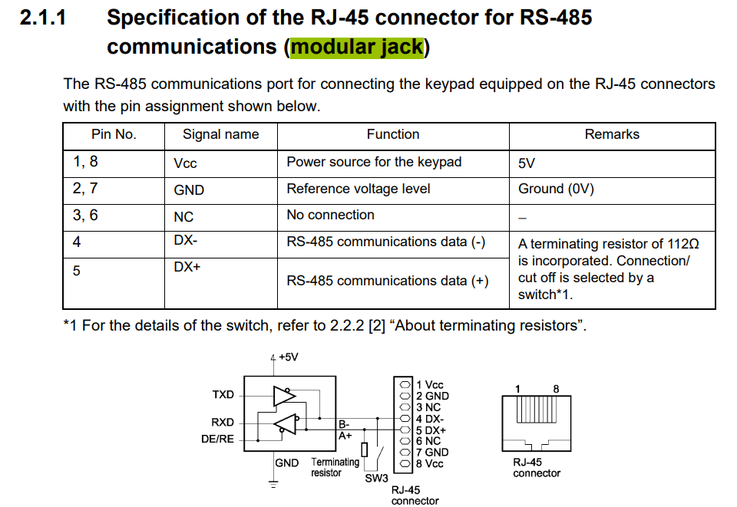
 | Wiring for Modbus RTU (RS-485) *Connecting on Modular Jack.

 | FC6A All-in-One |  |  |  | VF1A Doesa
 | No. | Signal name | Cable colour |  | No. | Signal name | Cable colour
 | 1 | - | White/ Orange |  | 1 | Reserve | -
 | 2 | - | Orange |  | 2 | GND | -
 | 3 | - | White/ Green |  | 3 | Reserve | -
 | 4 | A+ | Blue |  | 4 | DX- | -
 | 5 | B- | White/ Blue |  | 5 | DX＋ | -
 | 6 | - | Green |  | 6 | NC | -
 | 7 | - | White/ Brown |  | 7 | GND | -
 | 8 | SG | Brown |  | 8 | NC | -

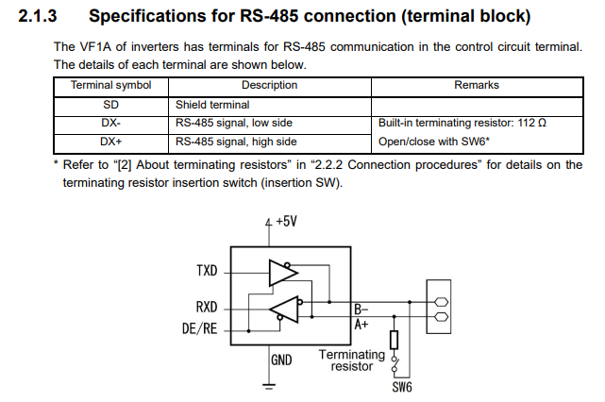
 | Wiring for Modbus RTU (RS-485) *Connecting on Terminal block.

 | FC6A All-in-One |  |  |  | VF1A Doesa
 | No. | Signal name | Cable colour |  | No. | Signal name | Cable colour
 | 1 | - | White/ Orange |  | - | - | -
 | 2 | - | Orange |  | - | - | -
 | 3 | - | White/ Green |  | - | - | -
 | 4 | A+ | Blue |  | 4 | DX- | -
 | 5 | B- | White/ Blue |  | 5 | DX＋ | -
 | 6 | - | Green |  | - | - | -
 | 7 | - | White/ Brown |  | - | - | -
 | 8 | SG | Brown |  | - | - | -

 | Wiring for Modbus RTU (RS-485) *Connecting on Expansion card(VF1A-RS485)

